Q5 High Fidelity Hot Start
Expt # | 101 - Q5 Hot Start High-Fidelity MM
Date | 2022-12-12
 |  |  | # of Samples | 9
Kit = Q5 Hot Start High Fidelity Master Mix (M0494S)
LOT = #10151237 |  |  | # of Rxns
 |  |  | 1 | 10 |  |  |  |  | * Per NEB Tm Calc, Anneal at 67C (v 55C) | Temp (ºC) | Time (mm:ss) | Sample groups by copies per rxn (2 x NUMBER) |  |  |  |  | Layout of Target Cold Block
Component | [Working] | [Final Rxn uM] | Single Rxn Vol (uL) | Full Rxn Vol (uL) | Check off Component |  |  |  | Initial denaturation | 98 | 0:30:00 | Target | Polymerase | dU Tolerable | Lock Ring | Group #
Nuclease-free water |  |  | 5.6 | 56 |  | Nuclease-free water |  |  | Melt / Denaturation (Cycling A) | 98 | 0:10:00 | FluA DNA Amp | KAPA HIFI | No | 1-3 | 1
F Primer Flu A CDC (ML159) | 10 uM | 0.5 | 1 | 10 |  | F Primer Flu A CDC (ML159) |  |  | Anneal / Extension (Cycling B) *acquire* | 67 | 0:30:00 | U-FluA DNA Amp | KAPA HIFI | No | 4-6 | 2
R Primer Flu A CDC (ML160) | 10 uM | 0.5 | 1 | 10 |  | R Primer Flu A CDC (ML160) |  |  | Extension (Cycling C) | 72 | 0:30:00 | NTC | KAPA HIFI | No | 7-9 | 3
Thermo SYBR Green I (S32717A) | 50X | 1X | 0.4 | 4 |  | Thermo SYBR Green I (S32717A) |  |  | Final Extension | 72 | 2:00:00 | FluA DNA Amp | Luna 3003 | Yes | 10 | 4
Q5 Hot Start High-Fidelity MM (M0494S) | 2X | 1X | 10 | 100 |  | Q5 Hot Start High-Fidelity MM (M0494S) |  |  | # of cycles | 50 |  | U-FluA DNA Amp | Luna 3003 | Yes | 11 | 5

Target = FluA DNA Amplicon vs. E96 U-FluA |  |  | 2 | Add sep |  |  |  |  | Melt Analysis *acquire* | ---- | ----
 |  |  |  |  |  | EXPT 101: Q5 Hot Start 3x each NTC, U, NonU vs. Luna 3003 1x each U, NonU |  |  | * acquire at green 6, green 8 |  |  | * ADD NOTE TO SAVE SAMPLES AFTER RUN!! *
 |  | total volume | 20
Adjustments |  | sum | 20 | 180 |  |  |  |  | FluA Tm with Luna is 55C (E56) - NEB Tm Calc recs 67C Anneal Tm (see screenshots below), pick max times on range, 30s extension/cycle for <1kb target
Clean hood = left, target bench = left |  | vol/tube |  | 18
PCR instrument = left rotorgene
15 min UV light in clean hood |  | OKAY at ROOM TEMP for CLEAN PREP |  |  |  |  |  |  |  | Q5 Hot Start Details
Prep NTC in clean room ON COLD BLOCK
Q5 Hot Start High-Fidelity MM (M0494S) LOT #10151237 opened 12/12/22
U-FluA aliq - 12/1/22
FluA DNA 10^6 dT-21 aliq - 12/5/22

 |  |  |  |  |  |  |  |  |  | https://www.neb.com/products/m0493-q5-hot-start-high-fidelity-dna-polymerase#Product%20Information
Component | [Stock] (uM) | [Working] (uM) | [Rxn] (uM) | [Rxn] (nM) |  | Volume (uL) added per rxn | Sequence | Source
F Primer Flu A CDC (ML159) | 100 | 10 | 0.5 | 500 |  | 1 | 5' - GAC CRA TCC TGT CAC CTC TGA C - 3' | ML159 Influenza A CDC F-primer - Ref 201555440 |  | Q5 Hot Start Anneal via NEB Tm Calculator
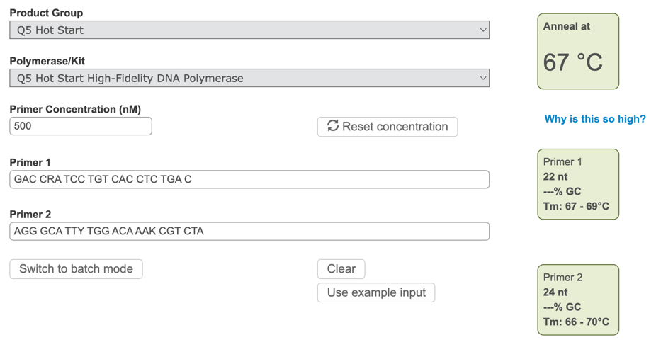
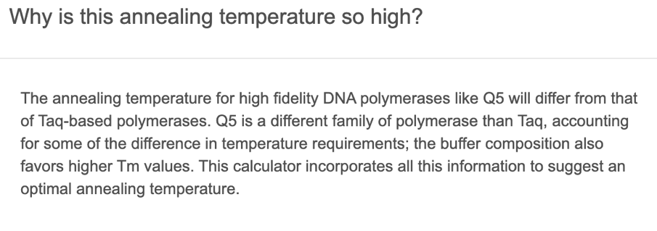
R Primer Flu A CDC (ML160) | 100 | 10 | 0.5 | 500 |  | 1 | 5' - AGG GCA TTY TGG ACA AAK CGT CTA - 3' | ML160 Influenza A CDC R-primer - Ref 201555441
Thermo SYBR Green I (S32717A) | - | - | - | #VALUE! |  | #VALUE! |  | LOT #2475373

Component | [Stock = 10 uM = below] | Serial Soln Added | Rxn Copy Count for 2uL Addn |  |  | Volume (uL) added per rxn | Sequence | Source
FluA 106 bp DNA Amplicon | 10^6 copies/uL | 10^6 | 2*10^6 |  |  | 2 | 5' - GAC CAA TCC TGT CAC CTC TGA CTA AGG CGA TTT TAG GAT TTG TGT TCA CGC TCA CCG TGC CCA GTG AGC GAG GAC TGC AGC GTA GAC GCT TTG TCC AGA ATG CCC T - 3' | MEP056 - 10/27/2021 - #315089050 - Spec sheet date 2021 Oct 19 - 10^6 c/uL with 11/1/21 dT's
E96 U-FluA DNA Amplicon (est 50/50 T/U subs via Luna 3003, new 12/1/22 aliq of 10^6 via E97 calcs) | 10^6 copies/uL | 10^6 | 2*10^6 |  |  | 2 | 5' - GAC CAA UCC TGU CAC CTC UGA CTA AGG CGA UTU TAG GAU TUG TGU TCA CGC UCA CCG TGC CCA GUG AGC GAG GAC TGC AGC GUA GAC GCT UTG UCC AGA ATG CCC T - 3' | Product Tube A1 from Expt 96 with MEP056 with dT's - seq is same as above with estimated 50/50 T/U subs via Luna 3003 from Expt 96 using 10^6 MEP056 (sub 13 of 27 T's for U's) |  |  |  |  | https://tmcalculator.neb.com/#!/main
Location: -20C, Nicole's DNA FluA/RSV Amplicon Box

